Info
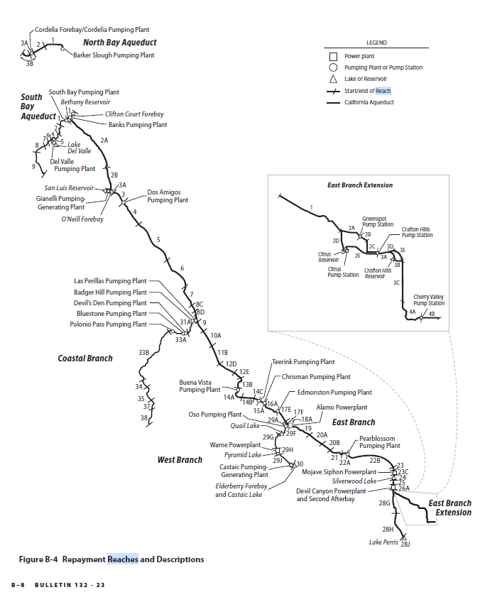
table b-4
table b-5a
table b-5a modified | total columns removed

AGENCYNAME | HR_NAME |  |  |  |  | AGENCYNAME | HR_NAME
Alameda County Flood Control District Zone 7 | San Francisco Bay |  | 20% CC | 15 |  | Alameda County | San Francisco Bay
Alameda County Water District SOI | San Francisco Bay |  |  |  |  | Alameda- Zone 7 | San Francisco Bay
Antelope Valley - East Kern Water Agency | South Lahontan |  | slight in SC | 1 |  | AVEK | South Lahontan
Butte County of | Sacramento River |  |  |  |  | Butte | Sacramento River
Coachella Valley Water District | Colorado River |  |  |  |  | Coachella | Colorado River
Crestline - Lake Arrowhead Water Agency | South Lahontan |  | 40% in south coast | 19 |  | Crestline | South Lahontan
Desert Water Agency | Colorado River |  |  |  |  | Desert | Colorado River
Dudley Ridge Water District | Tulare Lake |  |  |  |  | Dudley Ridge | Tulare Lake
Empire West Side Irrigation District | Tulare Lake |  |  |  |  | Empire | Tulare Lake
Kern County Water Agency | Tulare Lake |  | 20% in south coast | 14 |  | Grizzly Valley Pipeline Plumas | Sacramento River
Kings County | Tulare Lake |  |  |  |  | Kern | Tulare Lake
Littlerock Creek Irrigation District | South Lahontan |  |  |  |  | Kings | Tulare Lake
Metropolitan Water District Of Southern California | South Coast |  |  |  |  | Littlerock | South Lahontan
Mojave Water Agency | South Lahontan |  | 30% in CB | 6 |  | Metropolitan | South Coast
Napa County Flood Control and Water Conservation District | San Francisco Bay |  | 50% in Sac | 3 |  | Mojave | South Lahontan
Oak Flat Water District | San Joaquin River |  |  |  |  | Napa | San Francisco Bay
Palmdale Water District | South Lahontan |  |  |  |  | Oak Flat | San Joaquin River
Plumas County Flood Control and Water Conservation District (Grizzly Valley Pipeline Plumas) | Sacramento River |  |  |  |  | Palmdale | South Lahontan
San Bernardino Valley Municipal Water District | South Coast |  |  |  |  | San Bernardino | South Coast
San Gabriel Valley Municipal Water District | South Coast |  |  |  |  | San Gabriel | South Coast
San Gorgonio Pass Water Agency | Colorado River |  | some in south coast | 18 |  | San Gorgonio | Colorado River
San Luis Obispo County Flood Control And Water Conservation District | Central Coast |  |  |  |  | San Luis Obispo | Central Coast
Santa Barbara County Flood Control and Water Conservation District | Central Coast |  |  |  |  | Santa Barbara | Central Coast
Santa Clara Valley Water District | San Francisco Bay |  | 20% in CC | 15 |  | Santa Clara | San Francisco Bay
Santa Clarita Valley Water Agency | South Coast |  |  |  |  | Santa Clarita | South Coast
Solano County Water Agency | San Francisco Bay |  | 50% in Sac | 2 |  | Solano | San Francisco Bay
Tulare Lake Basin Water Storage District | Tulare Lake |  |  |  |  | Tulare | Tulare Lake
Ventura County Watershed Protection District | South Coast |  | 30% CC | 8 |  | Ventura | South Coast
Yuba City | Sacramento River |  |  |  |  | Yuba City | Sacramento River

 |  |  |  |  |  | p362 you can find info on reach description
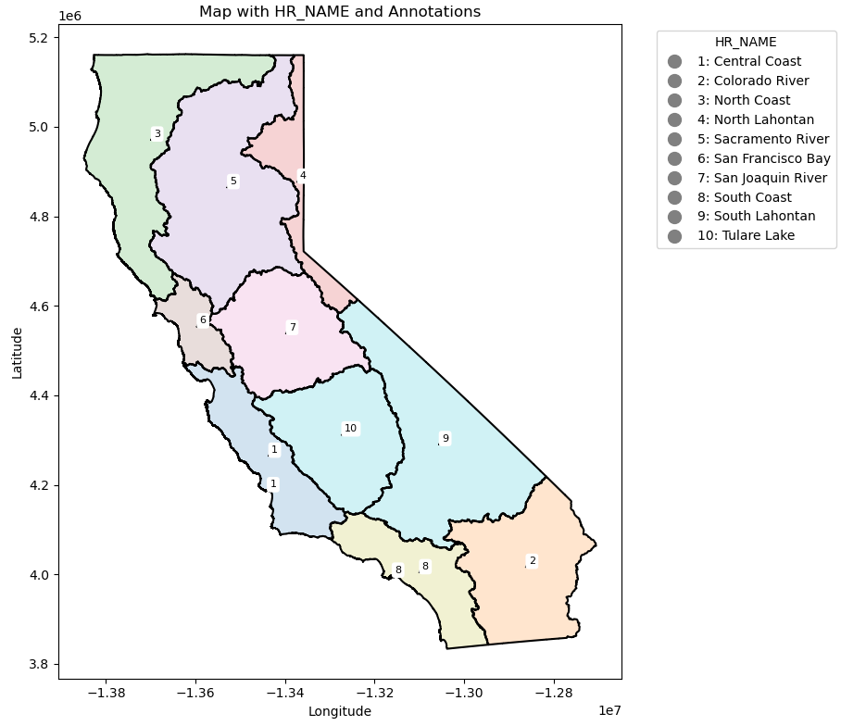
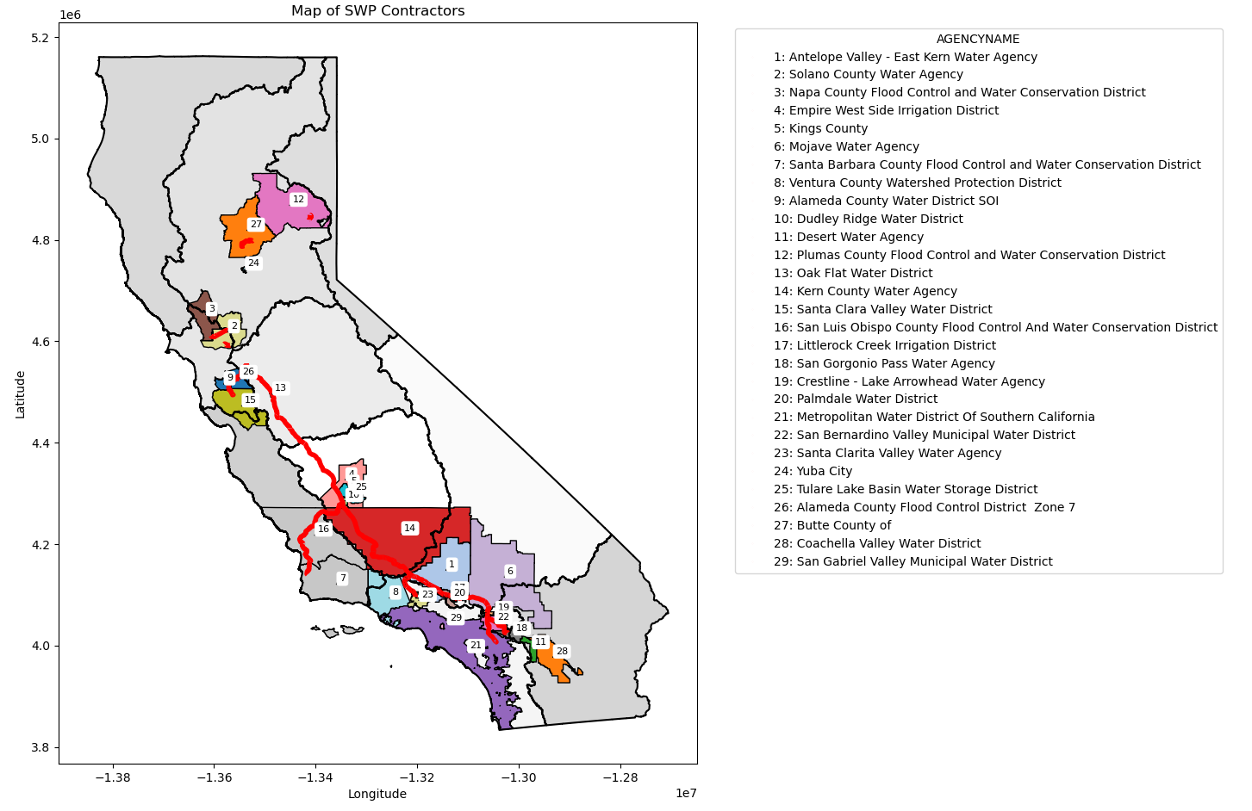

 | This is the branch where they get their main source of water | This is the branch where they store water

contractors in HR | Branch | Storage | Transfer
South Coast | WEST BRANCH | SOUTH SAN JOAQUIN DIVISION
 | SANTA ANA DIVISION | SAN LUIS DIVISION
 | COASTAL BRANCH
 | MOJAVE DIVISION
Colorado River | SANTA ANA DIVISION | SAN LUIS DIVISION
 | WEST BRANCH
South Lahontan | MOJAVE DIVISION | SAN LUIS DIVISION | COASTAL BRANCH |  | This is a transfer between contractors in
 | WEST BRANCH
Tulare Lake | COASTAL BRANCH | SAN LUIS DIVISION
 | SOUTH SAN JOAQUIN DIVISION | NORTH SAN JOAQUIN DIVISION
 | TEHACHAPI DIVISION
Central Coast | COASTAL BRANCH | SAN LUIS DIVISION | MOJAVE DIVISION
San Joaquin River | NORTH SAN JOAQUIN DIVISION | SAN LUIS DIVISION
Sacramento | FEATHER RIVER AREA | SOUTH SAN JOAQUIN DIVISION
San Francisco | DELTA DIVISION | SAN LUIS DIVISION | MOJAVE DIVISION
 | NORTH SAN JOAQUIN DIVISION | SOUTH SAN JOAQUIN DIVISION

Branch
Calendar Year | FEATHER RIVER AREA | DELTA DIVISION | NORTH SAN JOAQUIN DIVISION | SOUTH SAN JOAQUIN DIVISION | SAN LUIS DIVISION | COASTAL BRANCH | TEHACHAPI DIVISION | MOJAVE DIVISION | SANTA ANA DIVISION | WEST BRANCH | Total |  | South Coast
1962 | 0 | 8906 | 0 | 0 | 0 | 0 | 0 | 0 | 0 | 0 | 8906 |  | 0
1963 | 0 | 12645 | 0 | 0 | 0 | 0 | 0 | 0 | 0 | 0 | 12645 |  | 0
1964 | 0 | 20911 | 0 | 0 | 0 | 0 | 0 | 0 | 0 | 0 | 20911 |  | 0
1965 | 0 | 34026 | 0 | 0 | 0 | 0 | 0 | 0 | 0 | 0 | 34026 |  | 0
1966 | 0 | 54913 | 0 | 0 | 0 | 0 | 0 | 0 | 0 | 0 | 54913 |  | 0
1967 | 0 | 56763 | 0 | 0 | 0 | 0 | 0 | 0 | 0 | 0 | 56763 |  | 0
1968 | 0 | 102269 | 3084 | 110065 | 0 | 79039 | 0 | 0 | 0 | 0 | 294457 |  | 0
 | 0 | 0 | 0 | 1 | 1 | 1 | 1 | 1 | 1 | 1
 | 0 | 0 | 0
 | 0 | 0 | 0
 | 0 | 0 | 0
 | 0 | 0 | 0
 | 0 | 0 | 0
 | 0 | 0 | 0
 | 0 | 0 | 0
 | 0 | 0 | 0
 | 0 | 0 | 0
 | 857 | 1275 | 71991
 | 679 | 51812 | 155317
 | 2264 | 102198 | 209172
 | 9387 | 189526 | 374306
 | 29349 | 235711 | 420708
 | 12502 | 101137 | 122447
 | 45554 | 373636 | 171139
 | 65886 | 356854 | 145598
 | 77837 | 395975 | 165931
 | 86130 | 569088 | 283264
 | 62029 | 395164 | 360878
 | 33910 | 230277 | 166995
 | 33791 | 250938 | 272101
 | 40044 | 349336 | 403097
 | 37214 | 392650 | 393203
 | 42419 | 375451 | 433452
 | 38283 | 499285 | 507169
 | 57630 | 658730 | 611681
 | 59388 | 728723 | 791355
 | 16276 | 161032 | 263909
 | 45756 | 328354 | 435661
 | 63544 | 244678 | 451263
 | 76306 | 393690 | 490819
 | 63858 | 320978 | 157629
 | 76196 | 417656 | 286066
 | 85712 | 451874 | 323212
 | 66187 | 332198 | 208916
 | 91969 | 497787 | 357664
 | 105211 | 853786 | 668126
 | 78774 | 631363 | 477315
 | 83202 | 818028 | 779284
 | 112448 | 922901 | 735699
 | 87075 | 1034153 | 850007
 | 105911 | 1010254 | 577251
 | 127531 | 1153995 | 616546
 | 148424 | 953803 | 760750
 | 89498 | 533227 | 531832
 | 91141 | 410043 | 631969
 | 107993 | 851786 | 412240
 | 154579 | 1066088 | 411366
...
1969 | 0 | 72399 | 3016 | 130625 | 0 | 62064 | 0 | 0 | 0 | 0 | 268104 |  | 0
1970 | 70 | 93178 | 5911 | 186651 | 0 | 83649 | 0 | 0 | 0 | 0 | 369459 |  | 0
1971 | 256 | 101105 | 7212 | 434898 | 0 | 110971 | 0 | 0 | 0 | 0 | 654442 |  | 0
1972 | 691 | 142073 | 8166 | 690962 | 0 | 121755 | 0 | 857 | 1275 | 71991 | 1037770 |  | 74123 | South Coast | Total
1973 | 732 | 97870 | 3214 | 349263 | 0 | 78645 | 0 | 679 | 51812 | 155317 | 737532 |  | 207808
1974 | 775 | 94188 | 3471 | 388705 | 0 | 78174 | 0 | 2264 | 102198 | 209172 | 878947 |  | 313634
2000-2015
2000-2015
1975 | 658 | 100444 | 3576 | 467717 | 0 | 85216 | 0 | 9387 | 189526 | 374306 | 1230830 |  | 573219
1976 | 909 | 133553 | 4112 | 465724 | 0 | 90058 | 0 | 29349 | 235711 | 420708 | 1380124 |  | 685768
1977 | 1009 | 115930 | 1472 | 187305 | 0 | 40579 | 0 | 12502 | 101137 | 122447 | 582381 |  | 236086
1978 | 857 | 118608 | 3906 | 652429 | 0 | 92604 | 0 | 45554 | 373636 | 171139 | 1458733 |  | 590329
1979 | 631 | 128751 | 6149 | 839433 | 0 | 123155 | 0 | 65886 | 356854 | 145598 | 1666457 |  | 568338
1980 | 562 | 122531 | 5700 | 656541 | 0 | 111379 | 0 | 77837 | 395975 | 165931 | 1536456 |  | 639743
1981 | 576 | 138508 | 4300 | 726943 | 0 | 109754 | 0 | 86130 | 569088 | 283264 | 1918563 |  | 938482
1982 | 639 | 108652 | 3838 | 723886 | 0 | 95776 | 0 | 62029 | 395164 | 360878 | 1750862 |  | 818071
1983 | 587 | 96943 | 3822 | 554104 | 0 | 100518 | 0 | 33910 | 230277 | 166995 | 1187156 |  | 431182
1984 | 557 | 101045 | 5700 | 795445 | 0 | 131839 | 0 | 33791 | 250938 | 272101 | 1591416 |  | 556830
1985 | 624 | 126127 | 5433 | 943411 | 0 | 122223 | 0 | 40044 | 349336 | 403097 | 1990295 |  | 792477
1986 | 958 | 115907 | 5107 | 922517 | 0 | 131599 | 0 | 37214 | 392650 | 393203 | 1999155 |  | 823067
1987 | 999 | 146039 | 5625 | 999543 | 0 | 128080 | 0 | 42419 | 375451 | 433452 | 2131608 |  | 851322
1988 | 1211 | 162373 | 4412 | 1049870 | 1550 | 120969 | 0 | 38283 | 499285 | 507169 | 2385122 |  | 1044737
1989 | 1189 | 165720 | 6391 | 1188105 | 47500 | 116801 | 0 | 57630 | 658730 | 611681 | 2853747 |  | 1328041
2000-present
2000-present
1990 | 1422 | 182608 | 3122 | 704231 | 1500 | 109802 | 0 | 59388 | 728723 | 791355 | 2582151 | SWDI-delta | 1579466
1991 | 1013 | 58611 | 141 | 46635 | 0 | 1496 | 0 | 16276 | 161032 | 263909 | 549113 | 0.10555555556 | 441217
1992 | 1244 | 95435 | 2239 | 472307 | 10823 | 79635 | 0 | 45756 | 328354 | 435661 | 1471454 | 0.1 | 809771
1993 | 1446 | 140437 | 2858 | 1192569 | 123519 | 94921 | 0 | 63544 | 244678 | 451263 | 2315235 | 0.63333333333 | 759485
1994 | 1856 | 132616 | 3071 | 674360 | 2100 | 87158 | 0 | 76306 | 393690 | 490819 | 1861976 | 0.24444444444 | 960815
1995 | 1421 | 103167 | 5169 | 1209541 | 75124 | 94536 | 0 | 63858 | 320978 | 157629 | 2031423 | 0.88888888889 | 542465
1996 | 1437 | 112107 | 4904 | 1365429 | 165047 | 114630 | 0 | 76196 | 417656 | 286066 | 2543472 | 0.76666666667 | 779918
1997 | 1421 | 140057 | 5238 | 1049340 | 238162 | 110428 | 0 | 85712 | 451874 | 323212 | 2405444 | 0.63055555556 | 860798
1998 | 1581 | 106001 | 4401 | 824360 | 111919 | 109400 | 0 | 66187 | 332198 | 208916 | 1764963 | 0.94722222222 | 607301
1999 | 1382 | 142554 | 4871 | 1551704 | 130969 | 120061 | 0 | 91969 | 497787 | 357664 | 2898961 | 0.76388888889 | 947420
2000 | 1487 | 177506 | 4508 | 1370542 | 267593 | 120313 | 0 | 105211 | 853786 | 668126 | 3569072 | 0.62777777778 | 1627123
2001 | 1578 | 139266 | 4230 | 581454 | 173299 | 87915 | 0 | 78774 | 631363 | 477315 | 2175194 | 0.38333333333 | 1187452
2002 | 1600 | 169012 | 5658 | 869897 | 83091 | 99783 | 0 | 83202 | 818028 | 779284 | 2909555 | 0.46388888889 | 1680514
2003 | 1875 | 174311 | 5190 | 1073280 | 200994 | 101113 | 0 | 112448 | 922901 | 735699 | 3327811 | 0.61111111111 | 1771048
2004 | 2874 | 177064 | 5453 | 917843 | 51977 | 104144 | 0 | 87075 | 1034153 | 850007 | 3230590 | 0.51388888889 | 1971235
2005 | 2421 | 153624 | 5539 | 1601045 | 194651 | 103178 | 0 | 105911 | 1010254 | 577251 | 3753874 | 0.81111111111 | 1693416
2006 | 5810 | 161577 | 5666 | 1473646 | 33734 | 115433 | 0 | 127531 | 1153995 | 616546 | 3693938 | 0.89722222222 | 1898072
2007 | 3283 | 192429 | 4918 | 875961 | 213317 | 131590 | 0 | 148424 | 953803 | 760750 | 3284475 | 0.38055555556 | 1862977
2008 | 2617 | 171174 | 12670 | 584064 | 119898 | 107239 | 0 | 89498 | 533227 | 531832 | 2152219 | 0.23611111111 | 1154557
2009 | 2895 | 158801 | 3162 | 587920 | 239124 | 102509 | 0 | 91141 | 410043 | 631969 | 2227564 | 0.23055555556 | 1133153
2010 | 3381 | 139035 | 4030 | 1034682 | 177190 | 106590 | 0 | 107993 | 851786 | 412240 | 2836927 | 0.57777777778 | 1372019
2011 | 3487 | 152261 | 3827 | 1675164 | 86013 | 113647 | 0 | 154579 | 1066088 | 411366 | 3666432 | 0.93055555556 | 1632033
2012 | 4148 | 151310 | 4466 | 1088754 | 38438 | 109383 | 0 | 120956 | 771982 | 593774 | 2883211 | 0.48611111111 | 1486712
2013 | 6124 | 195526 | 3976 | 670320 | 96685 | 110714 | 4 | 70393 | 458221 | 612912 | 2224875 | 0.31388888889 | 1141526
2014 | 6105 | 124959 | 2129 | 368363 | 179556 | 94369 | 1 | 31954 | 129317 | 305533 | 1242286 | 0.072222222222 | 466804
2015 | 6052 | 152107 | 1795 | 360025 | 167388 | 94227 | 0 | 30227 | 220068 | 466081 | 1497970 | 0.058333333333 | 716376
2016 | 4134 | 151819 | 2532 | 567553 | 183464 | 119233 | 0 | 75009 | 711654 | 544471 | 2359869 | 0.3 | 1331134
2017 | 4429 | 117677 | 3631 | 1565871 | 70029 | 132194 | 0 | 162227 | 1297152 | 417074 | 3770284 | 0.85833333333 | 1876453
2018 | 5252 | 181574 | 3024 | 670640 | 38453 | 118880 | 0 | 74023 | 585739 | 370993 | 2048578 | 0.46111111111 | 1030755
2019 | 5046 | 125156 | 2843 | 1257385 | 31870 | 110756 | 0 | 116714 | 1064337 | 344386 | 3058493 | 0.79444444444 | 1525437
2020 | 5404 | 151892 | 2803 | 496323 | 93073 | 104335 | 0 | 49337 | 282457 | 403632 | 1589256 | 0.41111111111 | 735426
2021 | 4835 | 136853 | 1926 | 372004 | 255932 | 102218 | 0 | 33349 | 151041 | 307743 | 1365901 | 0.11111111111 | 492133
2022 | 4409 | 137790 | 777 | 312765 | 269280 | 91062 | 0 | 23757 | 107304 | 320845 | 1267989 | 0.15555555556 | 451906
 |  |  |  |  |  |  |  |  |  |  |  | 0.85
 |  |  |  |  |  |  |  |  |  |  |  | 0.52222222222

HR
 | Central Coast | Colorado River | Sacramento River | San Francisco Bay | San Joaquin River | South Coast | South Lahontan | Tulare Lake | Total Deliveries |  | Extra | MWD | grouped based on contractors in their respective HR
1962 | 0 | 0 | 0 | 8906 | 0 | 0 | 0 | 0 | 8906 |  |  | 0
1963 | 0 | 0 | 0 | 12645 | 0 | 0 | 0 | 0 | 12645 |  |  | 0
1964 | 0 | 0 | 0 | 20911 | 0 | 0 | 0 | 0 | 20911 |  |  | 0
1965 | 0 | 0 | 0 | 34026 | 0 | 0 | 0 | 0 | 34026 |  |  | 0
1966 | 0 | 0 | 0 | 54913 | 0 | 0 | 0 | 0 | 54913 |  |  | 0
1967 | 0 | 0 | 0 | 56763 | 0 | 0 | 0 | 0 | 56763 |  |  | 0
1968 | 0 | 0 | 0 | 102269 | 3084 | 7382 | 0 | 181722 | 294457 |  |  | 0
1969 | 0 | 0 | 0 | 72399 | 3016 | 9970 | 0 | 182719 | 268104 |  |  | 0
1970 | 0 | 0 | 70 | 93178 | 5911 | 11739 | 0 | 258561 | 369459 |  |  | 0
1971 | 0 | 0 | 256 | 101105 | 7212 | 12490 | 0 | 533379 | 654442 |  |  | 0
1972 | 0 | 0 | 691 | 142073 | 8166 | 87118 | 910 | 798812 | 1037770 |  |  | 71938
1973 | 0 | 14800 | 732 | 97870 | 3214 | 201727 | 699 | 418490 | 737532 |  |  | 159883
1974 | 0 | 16400 | 775 | 94188 | 3471 | 304634 | 2300 | 457179 | 878947 |  |  | 277717
1975 | 0 | 18000 | 658 | 100444 | 3576 | 556506 | 9413 | 542233 | 1230830 |  |  | 526491
1976 | 0 | 19600 | 909 | 133553 | 4112 | 648495 | 29373 | 544082 | 1380124 |  |  | 618451
1977 | 0 | 0 | 1009 | 115930 | 1472 | 228659 | 12502 | 222809 | 582381 |  |  | 189755
1978 | 0 | 25384 | 857 | 118608 | 3906 | 530753 | 45554 | 733671 | 1458733 |  |  | 507565
1979 | 0 | 25063 | 631 | 128751 | 6149 | 496527 | 65886 | 943450 | 1666457 |  |  | 477074
1980 | 0 | 27884 | 562 | 122531 | 5700 | 547904 | 77837 | 754038 | 1536456 |  |  | 531727
1981 | 0 | 31105 | 576 | 138508 | 4300 | 833947 | 86130 | 823997 | 1918563 |  |  | 795846
South Coast 2000-2022
Total Deliveries 2000-2022
1982 | 0 | 34326 | 639 | 108652 | 3838 | 734416 | 62029 | 806962 | 1750862 |  |  | 691192
1983 | 0 | 37547 | 587 | 96943 | 3822 | 372384 | 33910 | 641963 | 1187156 |  |  | 343521
1984 | 0 | 40768 | 557 | 101045 | 5700 | 495012 | 33791 | 914543 | 1591416 |  |  | 457582
1985 | 0 | 43989 | 624 | 126127 | 5433 | 720543 | 40044 | 1053535 | 1990295 |  |  | 683625
1986 | 0 | 47210 | 958 | 115907 | 5107 | 751944 | 37214 | 1040815 | 1999155 |  |  | 708840
1987 | 0 | 50931 | 999 | 146039 | 5625 | 769793 | 42419 | 1115802 | 2131608 |  |  | 712424
1988 | 0 | 54652 | 1211 | 162373 | 4412 | 963336 | 38283 | 1160855 | 2385122 |  |  | 902564
1989 | 0 | 58373 | 1189 | 165720 | 6091 | 1226683 | 57630 | 1338061 | 2853747 | CY | CY | 1156698
1990 | 0 | 61200 | 1422 | 182808 | 2922 | 1465318 | 59388 | 809093 | 2582151 | SWDI-delta | SWDI-SC | 1396423
1991 | 1240 | 18360 | 1013 | 58611 | 141 | 406057 | 18276 | 45415 | 549113 | 0.10555555556 | 0.091666666667 | 391447
1992 | 0 | 27624 | 1244 | 95435 | 2239 | 742278 | 45756 | 556878 | 1471454 | 0.1 | 0.13055555556 | 710313
1993 | 0 | 61200 | 1446 | 140437 | 4858 | 693987 | 63550 | 1349757 | 2315235 | 0.63333333333 | 0.41944444444 | 652190
1994 | 0 | 37359 | 1856 | 132616 | 3071 | 858672 | 76306 | 752096 | 1861976 | 0.24444444444 | 0.25277777778 | 807866
1995 | 0 | 61200 | 1421 | 103167 | 5169 | 476893 | 63858 | 1319715 | 2031423 | 0.88888888889 | 0.4 | 436042
1996 | 100 | 164841 | 1437 | 163307 | 4904 | 647933 | 76196 | 1484754 | 2543472 | 0.76666666667 | 0.29166666667 | 593380
South Coast 2000-2007
Total Deliveries 2000-2007
1997 | 8638 | 138330 | 1421 | 185057 | 5238 | 779201 | 85723 | 1201836 | 2405444 | 0.63055555556 | 0.16111111111 | 721810
1998 | 22210 | 156356 | 1581 | 135551 | 4401 | 443196 | 66194 | 935474 | 1764963 | 0.94722222222 | 0.37777777778 | 410065
1999 | 23880 | 108580 | 1382 | 211564 | 4871 | 921969 | 91969 | 1534746 | 2898961 | 0.76388888889 | 0.23888888889 | 852617
2000 | 26703 | 100557 | 1487 | 238556 | 4508 | 1600681 | 105211 | 1491369 | 3569072 | 0.62777777778 | 0.31944444444 | 1522412
2001 | 23229 | 24110 | 1578 | 174266 | 3592 | 1085806 | 78774 | 783839 | 2175194 | 0.38333333333 | 0.61111111111 | 1023169
2002 | 31991 | 44395 | 1600 | 188693 | 4885 | 1579654 | 83202 | 975135 | 2909555 | 0.46388888889 | 0.70833333333 | 1408919
2003 | 31421 | 38378 | 1875 | 232618 | 4266 | 1810398 | 87574 | 1121281 | 3327811 | 0.61111111111 | 0.68333333333 | 1701615
2004 | 33870 | 37496 | 2874 | 190842 | 4629 | 1882962 | 87075 | 990842 | 3230590 | 0.51388888889 | 0.575 | 1724380
2005 | 27595 | 92357 | 2421 | 265848 | 4194 | 1634643 | 85911 | 1640905 | 3753874 | 0.81111111111 | 0.97222222222 | 1528045
2006 | 27484 | 175537 | 5810 | 269121 | 4242 | 1628244 | 127531 | 1455969 | 3693938 | 0.89722222222 | 0.94444444444 | 1512186
2007 | 31516 | 107516 | 3283 | 198187 | 3567 | 1623899 | 147714 | 1168793 | 3284475 | 0.38055555556 | 0.78888888889 | 1499688
2008 | 21795 | 78411 | 2617 | 177860 | 1985 | 987059 | 94960 | 787532 | 2152219 | 0.23611111111 | 0.66111111111 | 898313
2009 | 19253 | 70956 | 2895 | 168800 | 1993 | 1027439 | 90992 | 845236 | 2227564 | 0.23055555556 | 0.35277777778 | 930871
2010 | 21532 | 125138 | 3381 | 221018 | 2906 | 1550742 | 107967 | 804243 | 2836927 | 0.57777777778 | 0.50277777778 | 1420331
South Coast 2008-2022
Total Deliveries 2008-2022
2011 | 36764 | 137270 | 3487 | 257707 | 2715 | 1785369 | 116500 | 1326620 | 3666432 | 0.93055555556 | 0.95277777778 | 1686570
2012 | 23418 | 173862 | 4148 | 179118 | 3208 | 1414599 | 141972 | 942886 | 2883211 | 0.48611111111 | 0.84722222222 | 1224907
2013 | 21699 | 96955 | 6124 | 201526 | 2820 | 998351 | 70440 | 826960 | 2224875 | 0.31388888889 | 0.56666666667 | 892550
2014 | 19963 | 21065 | 6105 | 165651 | 1520 | 428987 | 31752 | 567243 | 1242286 | 0.072222222222 | 0.23055555556 | 387392
2015 | 15111 | 52748 | 6052 | 177614 | 1077 | 633401 | 30227 | 581740 | 1497970 | 0.058333333333 | 0.072222222222 | 573526
2016 | 39736 | 102778 | 4134 | 220603 | 1855 | 1202465 | 75239 | 713059 | 2359869 | 0.3 | 0.23611111111 | 1083900
2017 | 53950 | 131388 | 4429 | 249139 | 2893 | 1823884 | 174206 | 1330395 | 3770284 | 0.85833333333 | 0.71944444444 | 1626357
2018 | 30775 | 200009 | 5252 | 226174 | 2289 | 784745 | 89215 | 710119 | 2048578 | 0.46111111111 | 0.66944444444 | 679545
2019 | 23199 | 62855 | 5046 | 221779 | 2184 | 1516728 | 112848 | 1113854 | 3058493 | 0.79444444444 | 0.86666666667 | 1347162
2020 | 14859 | 167469 | 5404 | 156256 | 2140 | 520693 | 56328 | 666107 | 1589256 | 0.41111111111 | 0.85555555556 | 431759
2021 | 14272 | 23691 | 4835 | 176831 | 1600 | 478756 | 34025 | 631891 | 1365901 | 0.11111111111 | 0.5 | 409650
2022 | 11518 | 14069 | 4409 | 204660 | 482 | 484106 | 23754 | 524991 | 1267989 | 0.15555555556 | 0.28611111111 | 424702
 |  |  |  |  |  |  |  |  |  | 0.85 | 0.73611111111
 |  |  |  |  |  |  |  |  |  | 0.52222222222 | 0.93333333333

deliveries to each HR no storag
 | Total
 | 8906
 | 12645
 | 20911
 | 34026
 | 54913
 | 56763
 | 287075
 | 258134
 | 357720
 | 641952
 | 1023865
 | 713314
 | 852847
 | 1202130
 | 1348824
 | 577306
 | 1421987
 | 1622256
 | 1494690
 | 1874758
 | 1703836
 | 1136950
 | 1537907
 | 1934207
 | 1938644
 | 2068856
 | 2317386
 | 2732929
 | 2513011
0.10555555556 | 526797
0.1 | 1427120
0.63333333333 | 2137559
0.24444444444 | 1850454
0.88888888889 | 1896813
0.76666666667 | 2218073
0.63055555556 | 1990826
0.94722222222 | 1553949
0.76388888889 | 2556884
0.62777777778 | 3082303
0.38333333333 | 1995019
0.46388888889 | 2779273
0.61111111111 | 2931894
0.51388888889 | 3127789
0.81111111111 | 3385561
0.89722222222 | 3518638
0.38055555556 | 3048537
0.23611111111 | 2015062
0.23055555556 | 1987270
0.57777777778 | 2299338
0.93055555556 | 3135009
...
 | San Joaquin River
 | 3084
 | 3016
 | 5911
 | 7212
 | 8166
 | 3214
 | 3471
 | 3576
 | 4112
 | 1472
 | 3906
 | 6149
 | 5700
 | 4300
 | 3838
 | 3822
 | 5700
 | 5433
 | 5107
 | 5625
 | 4412
 | 6091
 | 2922
0.10555555556 | 141
0.1 | 2239
0.63333333333 | 2858
0.24444444444 | 3071
0.88888888889 | 5169
0.76666666667 | 4904
0.63055555556 | 5238
0.94722222222 | 4401
0.76388888889 | 4871
0.62777777778 | 4508
0.38333333333 | 3592
0.46388888889 | 4885
0.61111111111 | 4266
0.51388888889 | 4629
0.81111111111 | 4194
0.89722222222 | 4242
0.38055555556 | 3567
0.23611111111 | 1985
0.23055555556 | 1993
0.57777777778 | 2906
0.93055555556 | 2715
...
 | Total
0.62777777778 | 3082303
0.38333333333 | 1995019
0.46388888889 | 2779273
0.61111111111 | 2931894
0.51388888889 | 3127789
0.81111111111 | 3385561
0.89722222222 | 3518638
0.38055555556 | 3048537
0.23611111111 | 2015062
0.23055555556 | 1987270
0.57777777778 | 2299338
0.93055555556 | 3135009
0.48611111111 | 2571986
0.31388888889 | 2108814
0.072222222222 | 1062121
0.058333333333 | 1329864
0.3 | 2127447
0.85833333333 | 3345411
0.46111111111 | 1922676
0.79444444444 | 2759461
0.41111111111 | 1488170
0.11111111111 | 1108825
0.15555555556 | 998414
0.85
0.52222222222
 | San Joaquin River
0.62777777778 | 4508
0.38333333333 | 3592
0.46388888889 | 4885
0.61111111111 | 4266
0.51388888889 | 4629
0.81111111111 | 4194
0.89722222222 | 4242
0.38055555556 | 3567
0.23611111111 | 1985
0.23055555556 | 1993
0.57777777778 | 2906
0.93055555556 | 2715
0.48611111111 | 3208
0.31388888889 | 2820
0.072222222222 | 1520
0.058333333333 | 1077
0.3 | 1855
0.85833333333 | 2893
0.46111111111 | 2289
0.79444444444 | 2184
0.41111111111 | 2140
0.11111111111 | 1600
0.15555555556 | 482
0.85
0.52222222222
 | South Coast | Colorado River | South Lahontan | Tulare Lake | Central Coast | San Joaquin River | Sacramento River | San Francisco Bay | Total | SWDI-delta | grand Total | difference | 1991 - present | 2000 - present
1962 |  |  |  |  |  |  |  | 8906 | 8906 |  | 8906 | 0%
1963 |  |  |  |  |  |  |  | 12645 | 12645 |  | 12645 | 0%
1964 |  |  |  |  |  |  |  | 20911 | 20911 |  | 20911 | 0%
1965 |  |  |  |  |  |  |  | 34026 | 34026 |  | 34026 | 0%
1966 |  |  |  |  |  |  |  | 54913 | 54913 |  | 54913 | 0%
1967 |  |  |  |  |  |  |  | 56763 | 56763 |  | 56763 | 0%
1968 |  |  |  | 181722 |  | 3084 |  | 102269 | 287075 |  | 294457 | 3%
1969 |  |  |  | 182719 |  | 3016 |  | 72399 | 258134 |  | 268104 | 4%
1970 |  |  |  | 258561 |  | 5911 | 70 | 93178 | 357720 |  | 369459 | 3%
1971 |  |  |  | 533379 |  | 7212 | 256 | 101105 | 641952 |  | 654442 | 2%
1972 | 73213 |  | 910 | 798812 |  | 8166 | 691 | 142073 | 1023865 |  | 1037770 | 1%
1973 | 192309 |  | 699 | 418490 |  | 3214 | 732 | 97870 | 713314 |  | 737532 | 3%
 | San Francisco Bay
 | 8906
 | 12645
 | 20911
 | 34026
 | 54913
 | 56763
 | 102269
 | 72399
 | 93178
 | 101105
 | 142073
 | 97870
 | 94188
 | 100444
 | 133553
 | 115930
 | 118608
 | 128751
 | 122531
 | 138508
 | 108652
 | 96943
 | 101045
 | 126127
 | 115907
 | 146039
 | 162373
 | 165720
 | 182808
0.10555555556 | 58611
0.1 | 95435
0.63333333333 | 140437
0.24444444444 | 132616
0.88888888889 | 103167
0.76666666667 | 112107
0.63055555556 | 140057
0.94722222222 | 106001
0.76388888889 | 142554
0.62777777778 | 177506
0.38333333333 | 139266
0.46388888889 | 169012
0.61111111111 | 174318
0.51388888889 | 177102
0.81111111111 | 153923
0.89722222222 | 161898
0.38055555556 | 192749
0.23611111111 | 171230
0.23055555556 | 158801
0.57777777778 | 139035
0.93055555556 | 152261
...
 | Central Coast
0.10555555556
0.1
0.63333333333
0.24444444444
0.88888888889
0.76666666667
0.63055555556 | 8538
0.94722222222 | 22210
0.76388888889 | 23880
0.62777777778 | 26703
0.38333333333 | 23229
0.46388888889 | 31991
0.61111111111 | 31421
0.51388888889 | 33870
0.81111111111 | 27595
0.89722222222 | 27484
0.38055555556 | 31516
0.23611111111 | 21795
0.23055555556 | 19253
0.57777777778 | 21532
0.93055555556 | 24869
...
 | San Francisco Bay
0.62777777778 | 177506
0.38333333333 | 139266
0.46388888889 | 169012
0.61111111111 | 174318
0.51388888889 | 177102
0.81111111111 | 153923
0.89722222222 | 161898
0.38055555556 | 192749
0.23611111111 | 171230
0.23055555556 | 158801
0.57777777778 | 139035
0.93055555556 | 152261
0.48611111111 | 151310
0.31388888889 | 195526
0.072222222222 | 124959
0.058333333333 | 152107
0.3 | 151819
0.85833333333 | 117677
0.46111111111 | 181574
0.79444444444 | 125156
0.41111111111 | 151892
0.11111111111 | 136853
0.15555555556 | 137790
0.85
0.52222222222
 | Central Coast
0.62777777778 | 26703
0.38333333333 | 23229
0.46388888889 | 31991
0.61111111111 | 31421
0.51388888889 | 33870
0.81111111111 | 27595
0.89722222222 | 27484
0.38055555556 | 31516
0.23611111111 | 21795
0.23055555556 | 19253
0.57777777778 | 21532
0.93055555556 | 24869
0.48611111111 | 23418
0.31388888889 | 21699
0.072222222222 | 19963
0.058333333333 | 15111
0.3 | 31381
0.85833333333 | 32585
0.46111111111 | 29875
0.79444444444 | 20780
0.41111111111 | 14859
0.11111111111 | 14272
0.15555555556 | 11518
0.85
0.52222222222
1974 | 294934 |  | 2300 | 457179 |  | 3471 | 775 | 94188 | 852847 |  | 878947 | 3%
1975 | 545806 |  | 9413 | 542233 |  | 3576 | 658 | 100444 | 1202130 |  | 1230830 | 2%
1976 | 636795 |  | 29373 | 544082 |  | 4112 | 909 | 133553 | 1348824 |  | 1380124 | 2%
1977 | 223584 |  | 12502 | 222809 |  | 1472 | 1009 | 115930 | 577306 |  | 582381 | 1%
1978 | 519391 |  | 45554 | 733671 |  | 3906 | 857 | 118608 | 1421987 |  | 1458733 | 3%
1979 | 477389 |  | 65886 | 943450 |  | 6149 | 631 | 128751 | 1622256 |  | 1666457 | 3%
1980 | 534022 |  | 77837 | 754038 |  | 5700 | 562 | 122531 | 1494690 |  | 1536456 | 3%
1981 | 821247 |  | 86130 | 823997 |  | 4300 | 576 | 138508 | 1874758 |  | 1918563 | 2%
1982 | 721716 |  | 62029 | 806962 |  | 3838 | 639 | 108652 | 1703836 |  | 1750862 | 3%
1983 | 359725 |  | 33910 | 641963 |  | 3822 | 587 | 96943 | 1136950 |  | 1187156 | 4%
1984 | 482271 |  | 33791 | 914543 |  | 5700 | 557 | 101045 | 1537907 |  | 1591416 | 3%
1985 | 708444 |  | 40044 | 1053535 |  | 5433 | 624 | 126127 | 1934207 |  | 1990295 | 3%
 | Sacramento River
 | 70
 | 256
 | 691
 | 732
 | 775
 | 658
 | 909
 | 1009
 | 857
 | 631
 | 562
 | 576
 | 639
 | 587
 | 557
 | 624
 | 958
 | 999
 | 1211
 | 1189
 | 1422
0.10555555556 | 1013
0.1 | 1244
0.63333333333 | 1446
0.24444444444 | 1856
0.88888888889 | 1421
0.76666666667 | 1437
0.63055555556 | 1421
0.94722222222 | 1581
0.76388888889 | 1382
0.62777777778 | 1487
0.38333333333 | 1578
0.46388888889 | 1600
0.61111111111 | 1875
0.51388888889 | 2874
0.81111111111 | 2421
0.89722222222 | 5810
0.38055555556 | 3283
0.23611111111 | 2617
0.23055555556 | 2895
0.57777777778 | 3381
0.93055555556 | 3487
...
 | Tulare Lake
 | 181722
 | 182719
 | 258561
 | 533379
 | 798812
 | 418490
 | 457179
 | 542233
 | 544082
 | 222809
 | 733671
 | 943450
 | 754038
 | 823997
 | 806962
 | 641963
 | 914543
 | 1053535
 | 1040815
 | 1115802
 | 1159305
 | 1290261
 | 807593
0.10555555556 | 45415
0.1 | 546055
0.63333333333 | 1233333
0.24444444444 | 752096
0.88888888889 | 1244591
0.76666666667 | 1319707
0.63055555556 | 974774
0.94722222222 | 812455
0.76388888889 | 1436777
0.62777777778 | 1244976
0.38333333333 | 639902
0.46388888889 | 891271
0.61111111111 | 948966
0.51388888889 | 938079
0.81111111111 | 1504012
0.89722222222 | 1421132
0.38055555556 | 954445
0.23611111111 | 662878
0.23055555556 | 671175
0.57777777778 | 760465
0.93055555556 | 1319644
...
 | Sacramento River
0.62777777778 | 1487
0.38333333333 | 1578
0.46388888889 | 1600
0.61111111111 | 1875
0.51388888889 | 2874
0.81111111111 | 2421
0.89722222222 | 5810
0.38055555556 | 3283
0.23611111111 | 2617
0.23055555556 | 2895
0.57777777778 | 3381
0.93055555556 | 3487
0.48611111111 | 4148
0.31388888889 | 6124
0.072222222222 | 6105
0.058333333333 | 6052
0.3 | 4134
0.85833333333 | 4429
0.46111111111 | 5252
0.79444444444 | 5046
0.41111111111 | 5404
0.11111111111 | 4835
0.15555555556 | 4409
0.85
0.52222222222
 | Tulare Lake
0.62777777778 | 1244976
0.38333333333 | 639902
0.46388888889 | 891271
0.61111111111 | 948966
0.51388888889 | 938079
0.81111111111 | 1504012
0.89722222222 | 1421132
0.38055555556 | 954445
0.23611111111 | 662878
0.23055555556 | 671175
0.57777777778 | 760465
0.93055555556 | 1319644
0.48611111111 | 903190
0.31388888889 | 741119
0.072222222222 | 442770
0.058333333333 | 439141
0.3 | 608249
0.85833333333 | 1324655
0.46111111111 | 672931
0.79444444444 | 1082177
0.41111111111 | 578449
0.11111111111 | 459132
0.15555555556 | 392309
0.85
0.52222222222
1986 | 738643 |  | 37214 | 1040815 |  | 5107 | 958 | 115907 | 1938644 |  | 1999155 | 3%
1987 | 757972 |  | 42419 | 1115802 |  | 5625 | 999 | 146039 | 2068856 |  | 2131608 | 3%
1988 | 951802 |  | 38283 | 1159305 |  | 4412 | 1211 | 162373 | 2317386 |  | 2385122 | 3%
1989 | 1212038 |  | 57630 | 1290261 |  | 6091 | 1189 | 165720 | 2732929 |  | 2853747 | 4%
1990 | 1458878 |  | 59388 | 807593 |  | 2922 | 1422 | 182808 | 2513011 |  | 2582151 | 3%
1991 | 405341 |  | 16276 | 45415 |  | 141 | 1013 | 58611 | 526797 | 0.10555555556 | 549113 | 4%
1992 | 736391 |  | 45756 | 546055 |  | 2239 | 1244 | 95435 | 1427120 | 0.1 | 1471454 | 3%
1993 | 634735 | 61200 | 63550 | 1233333 |  | 2858 | 1446 | 140437 | 2137559 | 0.63333333333 | 2315235 | 8%
1994 | 847150 | 37359 | 76306 | 752096 |  | 3071 | 1856 | 132616 | 1850454 | 0.24444444444 | 1861976 | 1%
1995 | 417407 | 61200 | 63858 | 1244591 |  | 5169 | 1421 | 103167 | 1896813 | 0.88888888889 | 2031423 | 7%
1996 | 538881 | 164841 | 76196 | 1319707 |  | 4904 | 1437 | 112107 | 2218073 | 0.76666666667 | 2543472 | 13%
1997 | 636745 | 138330 | 85723 | 974774 | 8538 | 5238 | 1421 | 140057 | 1990826 | 0.63055555556 | 2405444 | 17%
 | South Lahontan
 | 910
 | 699
 | 2300
 | 9413
 | 29373
 | 12502
 | 45554
 | 65886
 | 77837
 | 86130
 | 62029
 | 33910
 | 33791
 | 40044
 | 37214
 | 42419
 | 38283
 | 57630
 | 59388
0.10555555556 | 16276
0.1 | 45756
0.63333333333 | 63550
0.24444444444 | 76306
0.88888888889 | 63858
0.76666666667 | 76196
0.63055555556 | 85723
0.94722222222 | 66194
0.76388888889 | 91969
0.62777777778 | 105211
0.38333333333 | 78774
0.46388888889 | 83202
0.61111111111 | 87574
0.51388888889 | 87075
0.81111111111 | 85911
0.89722222222 | 127531
0.38055555556 | 147714
0.23611111111 | 89087
0.23055555556 | 90992
0.57777777778 | 107967
0.93055555556 | 109500
...
 | Colorado River
0.10555555556
0.1
0.63333333333 | 61200
0.24444444444 | 37359
0.88888888889 | 61200
0.76666666667 | 164841
0.63055555556 | 138330
0.94722222222 | 156356
0.76388888889 | 108580
0.62777777778 | 100557
0.38333333333 | 24110
0.46388888889 | 44395
0.61111111111 | 38378
0.51388888889 | 37496
0.81111111111 | 92357
0.89722222222 | 175537
0.38055555556 | 107516
0.23611111111 | 78411
0.23055555556 | 70956
0.57777777778 | 125138
0.93055555556 | 137270
...
 | South Lahontan
0.62777777778 | 105211
0.38333333333 | 78774
0.46388888889 | 83202
0.61111111111 | 87574
0.51388888889 | 87075
0.81111111111 | 85911
0.89722222222 | 127531
0.38055555556 | 147714
0.23611111111 | 89087
0.23055555556 | 90992
0.57777777778 | 107967
0.93055555556 | 109500
0.48611111111 | 105961
0.31388888889 | 70440
0.072222222222 | 31752
0.058333333333 | 30227
0.3 | 73750
0.85833333333 | 139211
0.46111111111 | 68326
0.79444444444 | 95394
0.41111111111 | 49328
0.11111111111 | 33207
0.15555555556 | 23754
0.85
0.52222222222
 | Colorado River
0.62777777778 | 100557
0.38333333333 | 24110
0.46388888889 | 44395
0.61111111111 | 38378
0.51388888889 | 37496
0.81111111111 | 92357
0.89722222222 | 175537
0.38055555556 | 107516
0.23611111111 | 78411
0.23055555556 | 70956
0.57777777778 | 125138
0.93055555556 | 137270
0.48611111111 | 173862
0.31388888889 | 96955
0.072222222222 | 21065
0.058333333333 | 52748
0.3 | 102778
0.85833333333 | 131388
0.46111111111 | 200009
0.79444444444 | 62855
0.41111111111 | 167469
0.11111111111 | 23333
0.15555555556 | 13261
0.85
0.52222222222
1998 | 384751 | 156356 | 66194 | 812455 | 22210 | 4401 | 1581 | 106001 | 1553949 | 0.94722222222 | 1764963 | 12%
1999 | 746871 | 108580 | 91969 | 1436777 | 23880 | 4871 | 1382 | 142554 | 2556884 | 0.76388888889 | 2898961 | 12%
2000 | 1421355 | 100557 | 105211 | 1244976 | 26703 | 4508 | 1487 | 177506 | 3082303 | 0.62777777778 | 3569072 | 14%
2001 | 1084568 | 24110 | 78774 | 639902 | 23229 | 3592 | 1578 | 139266 | 1995019 | 0.38333333333 | 2175194 | 8%
2002 | 1552917 | 44395 | 83202 | 891271 | 31991 | 4885 | 1600 | 169012 | 2779273 | 0.46388888889 | 2909555 | 4%
2003 | 1645096 | 38378 | 87574 | 948966 | 31421 | 4266 | 1875 | 174318 | 2931894 | 0.61111111111 | 3327811 | 12%
2004 | 1846664 | 37496 | 87075 | 938079 | 33870 | 4629 | 2874 | 177102 | 3127789 | 0.51388888889 | 3230590 | 3%
2005 | 1515148 | 92357 | 85911 | 1504012 | 27595 | 4194 | 2421 | 153923 | 3385561 | 0.81111111111 | 3753874 | 10%
2006 | 1595004 | 175537 | 127531 | 1421132 | 27484 | 4242 | 5810 | 161898 | 3518638 | 0.89722222222 | 3693938 | 5%
2007 | 1607747 | 107516 | 147714 | 954445 | 31516 | 3567 | 3283 | 192749 | 3048537 | 0.38055555556 | 3284475 | 7%
2008 | 987059 | 78411 | 89087 | 662878 | 21795 | 1985 | 2617 | 171230 | 2015062 | 0.23611111111 | 2152219 | 6%
2009 | 971205 | 70956 | 90992 | 671175 | 19253 | 1993 | 2895 | 158801 | 1987270 | 0.23055555556 | 2227564 | 11%
 | South Coast
73213
192309
294934
545806
636795
223584
519391
477389
534022
821247
721716
359725
482271
708444
738643
757972
951802
1212038
1458878
405341 | 0.10555555556
736391 | 0.1
634735 | 0.63333333333
847150 | 0.24444444444
417407 | 0.88888888889
538881 | 0.76666666667
636745 | 0.63055555556
384751 | 0.94722222222
746871 | 0.76388888889
1421355 | 0.62777777778
1084568 | 0.38333333333
1552917 | 0.46388888889
1645096 | 0.61111111111
1846664 | 0.51388888889
1515148 | 0.81111111111
1595004 | 0.89722222222
1607747 | 0.38055555556
987059 | 0.23611111111
971205 | 0.23055555556
1138914 | 0.57777777778
1385263 | 0.93055555556
...
2010 | 1138914 | 125138 | 107967 | 760465 | 21532 | 2906 | 3381 | 139035 | 2299338 | 0.57777777778 | 2836927 | 19%
2011 | 1385263 | 137270 | 109500 | 1319644 | 24869 | 2715 | 3487 | 152261 | 3135009 | 0.93055555556 | 3666432 | 14%
2012 | 1206889 | 173862 | 105961 | 903190 | 23418 | 3208 | 4148 | 151310 | 2571986 | 0.48611111111 | 2883211 | 11%
2013 | 974131 | 96955 | 70440 | 741119 | 21699 | 2820 | 6124 | 195526 | 2108814 | 0.31388888889 | 2224875 | 5%
2014 | 413987 | 21065 | 31752 | 442770 | 19963 | 1520 | 6105 | 124959 | 1062121 | 0.072222222222 | 1242286 | 15%
2015 | 633401 | 52748 | 30227 | 439141 | 15111 | 1077 | 6052 | 152107 | 1329864 | 0.058333333333 | 1497970 | 11%
2016 | 1153481 | 102778 | 73750 | 608249 | 31381 | 1855 | 4134 | 151819 | 2127447 | 0.3 | 2359869 | 10%
2017 | 1592573 | 131388 | 139211 | 1324655 | 32585 | 2893 | 4429 | 117677 | 3345411 | 0.85833333333 | 3770284 | 11%
2018 | 762420 | 200009 | 68326 | 672931 | 29875 | 2289 | 5252 | 181574 | 1922676 | 0.46111111111 | 2048578 | 6%
2019 | 1365869 | 62855 | 95394 | 1082177 | 20780 | 2184 | 5046 | 125156 | 2759461 | 0.79444444444 | 3058493 | 10%
2020 | 518629 | 167469 | 49328 | 578449 | 14859 | 2140 | 5404 | 151892 | 1488170 | 0.41111111111 | 1589256 | 6%
2021 | 435593 | 23333 | 33207 | 459132 | 14272 | 1600 | 4835 | 136853 | 1108825 | 0.11111111111 | 1365901 | 19%
2022 | 414891 | 13261 | 23754 | 392309 | 11518 | 482 | 4409 | 137790 | 998414 | 0.15555555556 | 1267989 | 21%
 |  |  |  |  |  |  |  |  |  | 0.85
 |  |  |  |  |  |  |  |  |  | 0.52222222222

